Sheet1
Bug ID | ID number | 1 | 2 | 3 | 4 | 5 | 6 | 7
 | Name | User is able to register with all fake input data | User can type different input for new password and repeat password, and password text is not encrypted | My Account information "First name:" is not saved after logout | Inaccurate image for "Chihuahua" item | "Remove" button in Shopping Cart is on the right side | Order more items than in stock. Case: 100.000 more. | Order time not equals in order information and my orders table (At My Orders table all orders have same order time "12:00:00")
 | Reporter | Damir Mihaljevic | Damir Mihaljevic | Damir Mihaljevic | Damir Mihaljevic | Damir Mihaljevic | Damir Mihaljevic | Damir Mihaljevic
 | Submit Date | 2022-02-06 | 2022-02-06 | 2022-02-06 | 2022-02-06 | 2022-02-07 | 2022-02-08 | 2022-02-08
Bug overview | Screenshot | 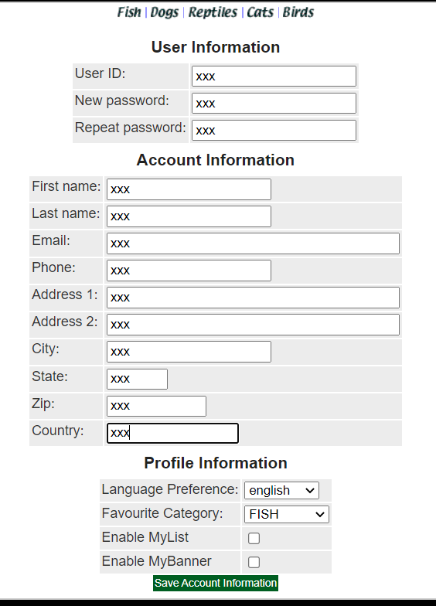 | 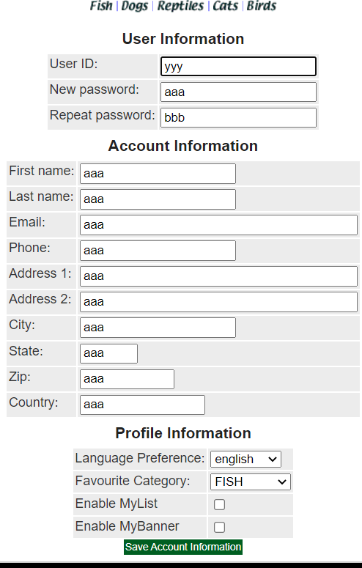 | 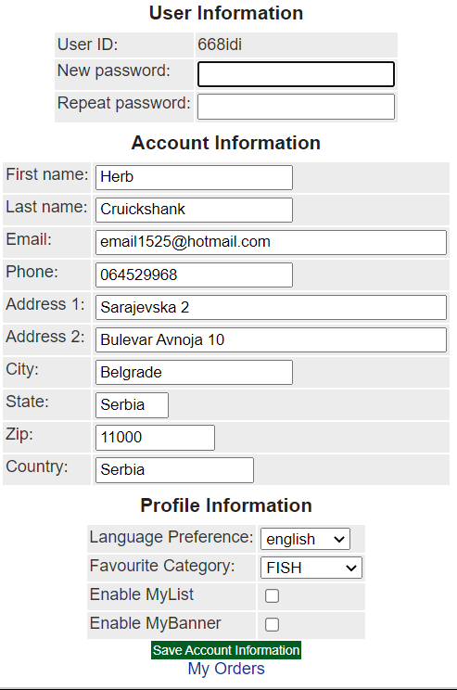 | 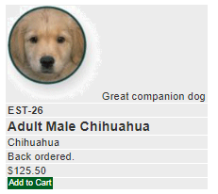 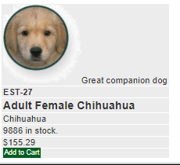 |  | Help page; Stock | 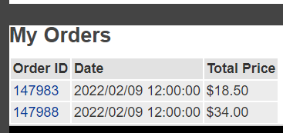
 |  |  |  |  |  |  | 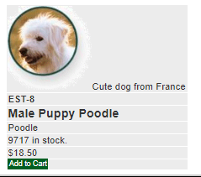 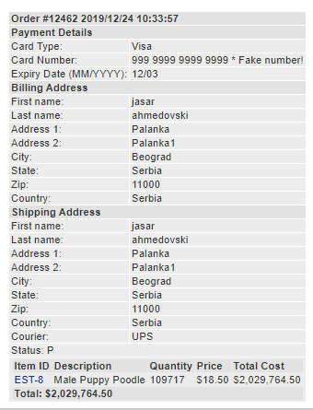
Environment | Platform
 | Operating System | Windows 10 | Windows 10 | Windows 10 | Windows 11 | Windows 10 | Windows 10 | Windows 10
 | Browser | Chrome | Chrome | Chrome | Chrome | Chrome | Chrome | Chrome
Bug details | Precondition steps | JPetStore Sign in page is opened in Chrome | JPetStore Manu page is opened in Chrome | JPetStore Manu page is opened in Chrome | 1.Open Chrome browser; 2.input URL https://petstore.octoperf.com/ and click Enter key; 3. Click "Enter the Store"; Click on left menu category "Dogs"; Click on "Chihuahua" product ID | JPetStore Manu page is opened in Chrome |  | JPetStore Sign in page is opened in Chrome
 | Steps to reproduce | 1.Click on Sign in clickable text 2. Click "Register Now!" 3.Input "xxx" in "all input fields 4.Click "Save Account Information" 5.Observe JPetStore Manu Page | 1.Click on Sign in clickable text 2. Enter 3.Input "yyy" in "UserID:" 4. Input "aaa" in "New password:" 5.Input "bbb" in "Repeat password:" 6.Input "aaa" in all other fields 7.Click "Save Account Information" 8.Observe JPetStore Manu Page | 1.Click Sign In 2. Enter "668idi" in username 3.Enter "pass234#" in password 4. Click Login 5.Click My Account 6.Change "First name" input to "Damir" 7. Click Save Account Information 10. Click Sign out 12. Sign in again with same user 13. Click My Account 14.Observe "First name" | 1.Click on first item ID 2.Observe item image 3. Navigate back 4. Click on second item ID 5. Observe item image | 1.Click on left menu category "Birds"; 2.Click on "Finch" product ID; 3.Click on 1st item ID 4 Click on "Add to Cart" 5.Click on "Dogs" top category list 6.Click on "Poodle" product ID 7.Click on "Add to Cart" 8.Click on "Cats" top category list 9.Click on "Persian" product ID 10.Click "Add to Cart" for the 1st item 11. Observe 3 items "In Stock?" status in Shopping Cart | 1.Open Chrome browser; 2.input URL https://petstore.octoperf.com/ and click Enter key; 3. Click "Enter the Store"; 4. Click on Dogs in top page menu; 5. Click on "K9-RT-01" clickable text left of the Golden Retriever; 6. Click on "Add to Cart" for the fist item; 7. Click on "Add to Cart" for the fist item; 8. Input 109.717 in Quantity field; 9. Click on Update cart button; 10.Click on clickable text under Item ID; 11.Observe quantity in stock; 12.Navigate back to Shopping Cart; 13.Click on Proceed to Checkout button; 14.Click Continue button; 15.Click Confirm button | 1.Click Sign In 2. Enter "668idi" in username 3.Enter "pass234#" in password 4. Click Login 5.Click Fisch 6.Click "Koi" 7. Click "Spotted Koi" 8. Click Add To Cart 9. Click Proceed to checkout 10. Click Continue 11 Click Confirm 12. Observe order number and order time in order information 13. Click My Account 14. Click My Orders 14.Observe order time for previous order
 | Expected result | User is not allowed to register with fake data | Password text should be encrypted, and registration process should be unsuccessfull because new password and repeat password did not match | New first name is saved | Different image for different items of "Chihuahua" | "Remove" button in Shopping Cart is on the items left side | Show "backordered" under "In Stock?" if the Quantity is higher, but completely unable the order to be submitted if the quantity is higher than JPetStore is able to manage. | Order time shoul be equals in order information and order table
 | Actual result | User is registered with fake data | Password text is not encrypted | New first name is not saved | Same inaccurate image is displayed for both "Chihuahua"items | "Remove" button in Shopping Cart is on the items right side | "In Stock?" on Shopping Cart page doesn't show "backordered" if the Quantity is higher. Order is submitted for irregular quantities, which can not be managed. | Order time not equal in order information and order table
 | Description | User is enabled to input fake data in registration fields and to register | When user enters new password and repeats it bellow, the password text is not encrypted | When user enters new first name, it is not saved after saving account information and logout | Same image is displayed for both "Chihuahua" items instead of different | "Remove" button in the Shopping Cart should be on the left side of the item so it would be associated with different motor action than adding to Cart. The Help page states that the "Remove" button should be on the left side of the idem | It is possible to submit order for Quantities abnormally higher than in Stock. Under "In Stock?" on Shopping Cart page, it doesn't show "backordered" if Quantity is higher than in stock. | Order time not equals in order information and my orders table (At My Orders table all orders have same order time "12:00:00")
Bug tracking | Severity | Critical | Major | Major | Minor | Minor | Major | Minor
 | Assigned to | dev team | dev team | dev team | dev team | dev team | dev team | dev team
 | Priority | High | High | Medium | Low | Low | Medium | Low
Notes | Notes | Other fields should be checked too. |  | Other fields should be checked too. | Check if the wrong image is used or the client did not provide a correct one at all. |  | Contact client and ask for the manageable order quantity.

Summery note: - All images should be checked again with the client. - All body WebElements should be checked for alignment

